Info
ESPP EU nutrient research & development projects list
EU H2020 (FP), LIFE, INTERREG and national/industry funded R&D projects on nutrient recycling and management
Date: 15-06-2021
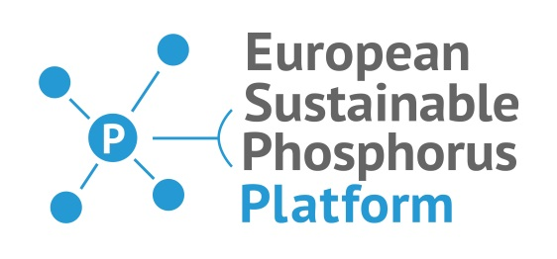
 |  | European Sustainable Phosphorus Platform (ESPP)
 |  | info@phosphorusplatform.eu - Chris Thornton, Secretary General
 |  | www.phosphorusplatform.eu

 |  | Please provide your inputs for this database by writing to lapo.braconi@etaflorence.it

Table of Contents
1 | Overview projects
2 | ESPP research project members
3 | Running EU funded projects
4 | Running non-EU funded research
5 | Finished EU funded projects
6 | Finished non-EU funded research
7 | Projects to add -

This list of R&D projects relevant to nutrient recycling and nutrient management is published by the European Sustainable Phosphorus Platform (ESPP). It can include your R&D project to our list of R&D projects on nutrient recycling and management (not only phosphorus), for promotion on the ESPP website (www.phosphorusplatform.eu) and in ESPP’s network of companies, public bodies and other stakeholders.

The first table in this document provides an overview of all projects included. In the last table you can fill in your suggested relevant missing projects. The other tables provide the full summaries of projects, sorted by most recent started and finished.

